Module 21
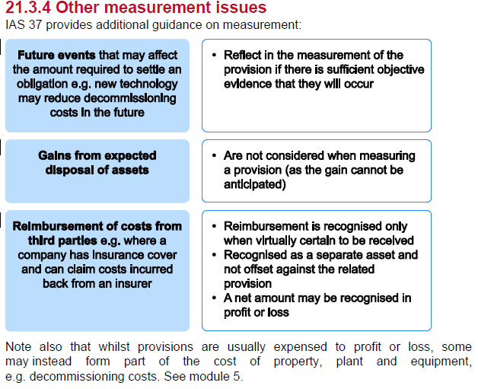
Main
 | Module 21 - Provisions, Contingent Liabilities and Contingent Assets

 | A provision is a liability of uncertain timing or amount
 | The liability must arise from past events or transactions

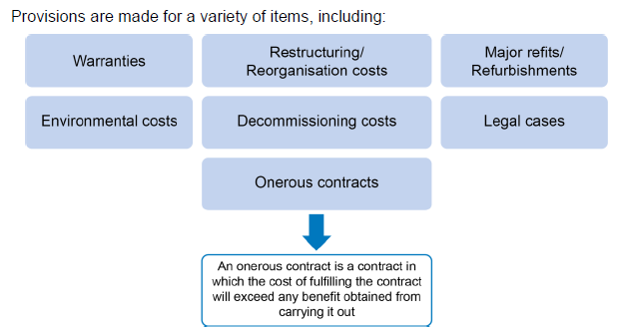

 | onerous contract - loss making contract
 | going to make a loss on the contract

 | Example 1
 | YE
 | warranty prov'n | 2022-03-31 | 200
 |  | 2023-03-31
 | expenses incured | 80
 | remaining prov'n canceleled | 120

 | YE | 2022-03-31
 | dr - warranty cost |  |  | 200
 |  | cr - prov'n for warranty cost |  |  | 200
 | being creation of warranty prov'n based on expected pay out

 | YE | 2023-03-31

 | dr - warrnty prov'n |  |  | 80
 |  | cr - bank |  |  | 80
 | being warrnaty payout in FY2023

 | dr - warranty |  |  | 120
 |  | cr - warranty costs |  |  | 120
 | being cancellation of warrnty prov'n as they have all expired

 | Definition
 | A provisions is a liability of uncertain timing or amount

 | liabitlity - present obligation sfrom past events
 | obltigating event - legal or constructive obligations
 |  | legal - contractual or legal process
 |  | constructive - valid expectation: past pattern of pactise, published policies, a specific current statements

 | Uncertainty is a key feature of provision
 | 4 types of provision from most to least certain

 | Trade payable
 | Accruals
 | Provisions
 | Contingent Liabilities

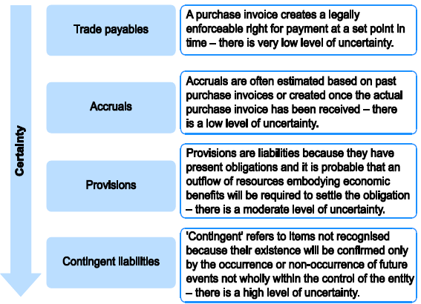

 | AD and BD provision are not actually provisions as coneptualy they are adjustments to the carrying amount of assets and are not liabilities (they do not give rise to an obligation to transfer resources)

 | Example 2
 | YE | 2018-12-31
 | Branch closure - no obligating event has occoured. No prov'n required
 | Good delivered - no invoice so this is an accrued expense
 | Return of goods - this is a payable - nothing official but past behaviour suggest a contract of payment (refund) exist. Because of the uncertainty and timing of refunds for the retunr of good boutgh prior to year end, a provision is required rather than an accrual or trade payable
 | Court action - high change th esuit will fail. Therefore not present obligation and therefore, no provision. A contingent liabiltiy should be disclosed.

 | Recognition or provisions

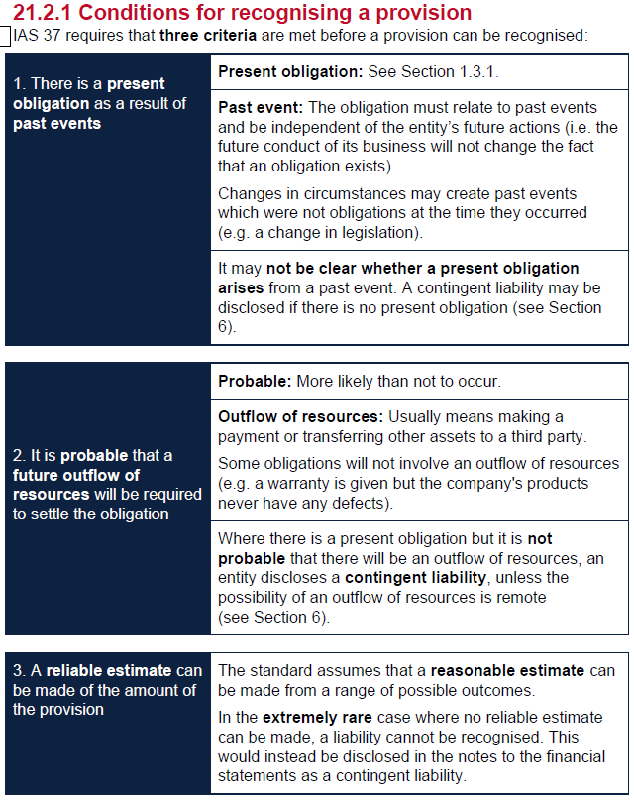

 | if a present obligation exists and is likely then it is a prov'n
 | if a present obligation exists and is unlikely then it is a contingent liability
 | if a reliable estimate cannot be made. A liability cannot be recognised. This would be disclosed in the notes to financial statements as a contingent liability

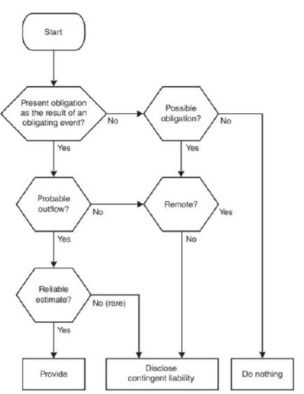

 | Example 3
 | Hayton
 | YE | 2015-03-31

 | Warranty
 | present obligation
 | remote
 | Disclose contingent liabitlity

 | Court case
 | no present obligation exists
 | past event - but we are not obligated to do anaythign more
 | do nothing
 | it is unfortunate - but not directly related to the court case
 | write off of inventories
 | not a future issues as the case and scrapping has already happened

 | Example 4
 | In this case, it is very unlikely (i.e. not probable) that an individual machine will require a repair (a 5% chance – 500 in 10,000).
 | It is probable, however, that some (approximately 500) of the machines will require repair.
 | This should be used as the basis for applying IAS 37 recognition criteria.

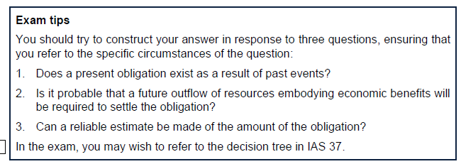

 | 21.3 - Measurement

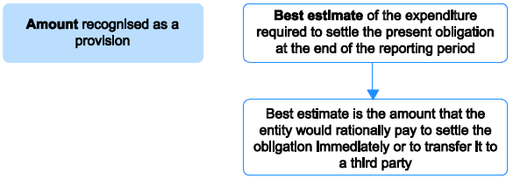

 | Best estimate is the amount we are going to pay to settle the obligation
 | Judgement is necessary
 | can aska nd expert
 | can also use past BS outgoings to confrim the estimate

 | Expected Values
 | large population
 | all outcom ecan be estimated and weighted by associated probabilties

 | Activity 1
 | Grace
 | repair spend | 241000
 | Deluxe

 | sales | no repaid | minor | major repairs
 |  | 60% | 30% | 10%
 |  | 0 | 40 | 120
 | 15000 | 9000 | 4500 | 1500
 |  | 0 | 180,000 | 180,000 | 360,000

 | Premier
 | 12000 |  |  |  | 171600
 |  |  |  |  | 531,600
 | Warranty cost for television sold during the year |  |  |  | -241000
 | Provision for warranty costs |  |  |  | 290,600

 | Activity 2

 | Most likely case
 | Damages |  | 100
 | legal costs |  | 50
 |  |  | 150

 | we must meet the claimants cost so include them

 | Discounting
 | Appropraite rate is provided in the exam
 | unwind the discount and recognise it as a finance cost in the year

 | dr - finance cost
 |  | cr - provision liability

 | provision increases to unwind the effect of discounting
 | DR should be pre-tax

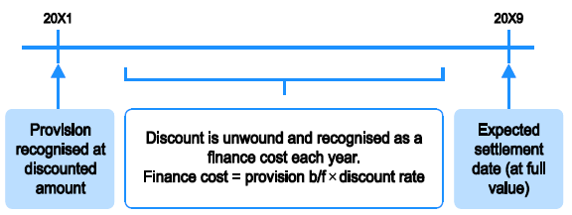

 | Activity 3
 | 2025-12-31
 | decom | 25000
 | time | 12 | years
 | DR | 6.50%

 |  | 11,742
 | 0 | 1 | 2 | 3 | 4 | 5 | 6 | 7 | 8 | 9 | 10 | 11 | 12
 | 0 | 0 | 0 | 0 | 0 | 0 | 0 | 0 | 0 | 0 | 0 | 0 | 25000
 |  | 11,742 | 12,505 | 13,318 | 14,184 | 15,106 | 16,088 | 17,133 | 18,247 | 19,433 | 20,696 | 22,041 | 23,474
 |  | 763 | 813 | 866 | 922 | 982 | 1,046 | 1,114 | 1,186 | 1,263 | 1,345 | 1,433 | 1,526
 |  | 12,505 | 13,318 | 14,184 | 15,106 | 16,088 | 17,133 | 18,247 | 19,433 | 20,696 | 22,041 | 23,474 | 25,000

 | provision for environmental damage | 11,742 | 2025-12-31
 | finance costs | 763 | unwind in the year
 |  | 12,505 | 31/02/2026

 | dr - SPL Cost of sales |  |  | 11,742
 |  | cr - Provision |  |  | 11,742
 | being recognition of provision for environmental damage at 31/12/2025

 | dr - SPL financne cost |  |  | 763
 |  | cr provisions |  |  | 763
 | being movement in provisoins for environment damage for the year ended 31/12/2026

 | NCL |  |  | 2026 | 2025
 | provision |  |  | 12,505 | 11,742

 | SPL
 | COS |  |  |  | 11,742
 | Finance cost |  |  | 763

 | Change in estimate

 | 2027-12-31
 | decom | 30000

 | provision before unwinding the discount only

 | provision | 2026-12-31 |  |  | 12,505
 | finance cost |  |  |  | 813
 |  |  |  |  | 13,318

 | only post the finance cost
 | dr - SPL |  |  | 813
 |  | cr - provision |  |  | 813
 | being unwinding of provision for environmental damage for the year ended 31 December 20X7

 | calculate provisoin based on change in estimates
 | Provision prioor to change |  |  |  | 13,318
 | provision | 2027-12-31 |  |  | 15,982
 |  |  |  |  | 2,664

 | dr - cos |  |  | 2,664
 |  | cr - provision |  |  | 2,664
 | being change in estimate in th eprovisions for environmental damage at 31/12/2027

WSE21.1
Main
 | Bromlee Lts
 | YE | 2016-12-31

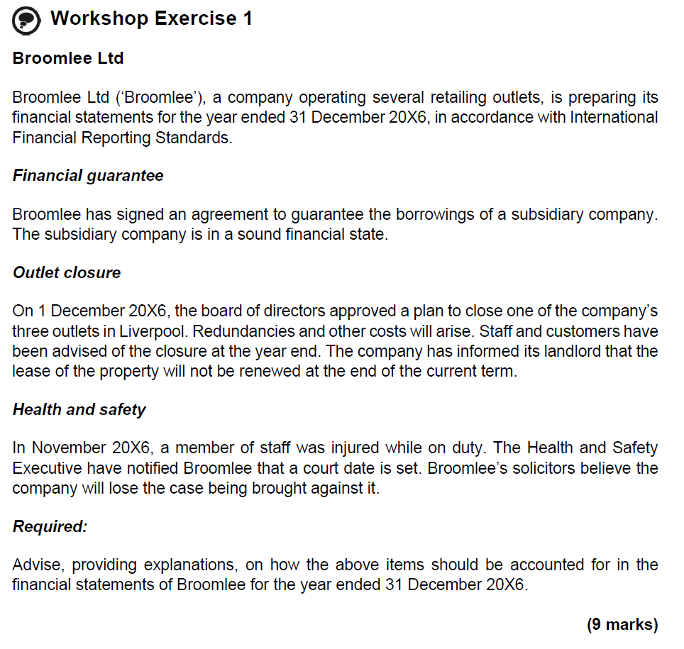

 | Financial guarantee
 | As a result of signing the agreement, a legal obligation has been created to guarantee the subsidiary’s borrowings.
 | However, it is not probable that there will be an outflow of resources as the subsidiary company is in a sound financial state.
 | No provision is recognised; however, a contingent liability may be disclosed for the balance outstanding unless the likelihood of the subsidiary falling into financial difficulty is remote.

 | Outlet closure
 | As a result of advising staff and customers of the closure and a plan being in place, a constructive obligation has been created to restructure the company.
 | There is probable outflow of resources embodying economic benefits due to redundancies and other costs.
 | A provision will be recognised, assuming a reliable estimate can be made of the amount of the obligation.

 | Health and safety
 | On the basis of the solicitors’ expert opinion, there is a legal obligation resulting from a past event (the staff member being injured).
 | There is probable outflow of economic resource due to legal costs and potential damages on losing the case.
 | There is probable outflow of economic resource due to legal costs and potential damages on losing the case.

WSE21.2
Main
 | Adams Ltd
 | YE | 31/06/2028

 | Environmental damage
 | spend | 50000 | at year end
 | future liability | 87000

 | present obligation exists
 | probable outflow
 | reliable esimtes
 | so a provision needs to to made

 | dr - COS |  |  | 87000
 |  | dr - provsion |  |  | 87000
 | being provision for future envoronmental clean up costs

 | Warranties
 | X25 | 400 | 15% | 60 | £150 | £9,000
 | X25S | 310 | 12% | 37 | £200 | £7,440
 | X30 | 250 | 20% | 50 | £220 | £11,000
 |  |  |  |  |  | £27,440
 | less costs already incurred |  |  |  |  | -16000
 |  |  |  |  |  | £11,440

 | dr - COS |  |  | £11,440
 |  | cr - warranty prov'n |  |  | £11,440
 | being warranty prov'n at year end

 | Court case

 | existing prov'n | 195
 | payout | 148
 | unwind prov'n | 47

 | dr - prov'n |  |  | 195
 |  | cr - COS |  |  | 47
 |  | cr - suspense |  |  | 148
 | being correction to court settlement and release of remaing prov'n amount

 | Decomm
 | prov'n | 5500
 | DR | 6%
 | time | 12 | year

 |  |  | 2,733
 |  |  | 164
 | prov'n | 2026-06-30 | 2,897
 |  |  | 174
 | old est. | 2028-06-30 | 3,071
 | new est | 2028-06-30 | 3,909
 |  |  | 838

 | decom cost not estimated at | 7000
 | in | 10 | years

 | dr - Factory cost |  |  | 838
 | dr - finance cost |  |  | 174
 |  | cr - prov'n |  |  | 1,011
 | being unwind of discount and change in estimate for provision for decommissioning

 | YE | 2026 | 2027 | 2028 | 2029 | 2030 | 2031 | 2032 | 2033 | 2034 | 2035 | 2036 | 2037 | 2038
 | Payout |  | 0 | 0 | 0 | 0 | 0 | 0 | 0 | 0 | 0 | 0 | 0 | 5,500
 | Opn provision |  | 2,733 | 2,897 | 3,071 | 3,255 | 3,451 | 3,658 | 3,877 | 4,110 | 4,357 | 4,618 | 4,895 | 5,189
 | Finance cost |  | 164 | 174 | 184 | 195 | 207 | 219 | 233 | 247 | 261 | 277 | 294 | 311
 | closing prov'n | 2,733 | 2,897 | 3,071 | 3,255 | 3,451 | 3,658 | 3,877 | 4,110 | 4,357 | 4,618 | 4,895 | 5,189 | 5,500

 | YE | 2026 | 2027 | 2028 | 2029 | 2030 | 2031 | 2032 | 2033 | 2034 | 2035 | 2036 | 2037 | 2038
 | Payout |  | 0 | 0 | 0 | 0 | 0 | 0 | 0 | 0 | 0 | 0 | 0 | 7,000
 | Opn provision |  | 3,479 | 3,688 | 3,909 | 4,143 | 4,392 | 4,655 | 4,935 | 5,231 | 5,545 | 5,877 | 6,230 | 6,604
 | Finance cost |  | 209 | 221 | 235 | 249 | 264 | 279 | 296 | 314 | 333 | 353 | 374 | 396
 | closing prov'n | 3,479 | 3,688 | 3,909 | 4,143 | 4,392 | 4,655 | 4,935 | 5,231 | 5,545 | 5,877 | 6,230 | 6,604 | 7,000

 | Opn provision |  | 745 | 790 | 838 | 888 | 941 | 998 | 1,057 | 1,121 | 1,188 | 1,259 | 1,335 | 1,415
 | Finance cost |  | 45 | 47 | 50 | 53 | 56 | 60 | 63 | 67 | 71 | 76 | 80 | 85
 | closing prov'n | 745 | 790 | 838 | 888 | 941 | 998 | 1,057 | 1,121 | 1,188 | 1,259 | 1,335 | 1,415 | 1,500

 | No provision should be made for future operating losses
 | future operating losses should be tested for impairment

 | Example 5
 | YE | 2023-12-31

 | cost | 350
 | NRV | 280
 | loss per tonne | -70
 | tonnes | 1000
 |  | -70,000
 | cancellation fee | 100000

 | just take the loss
 | provide for | 70,000

 | dr - contract losses |  |  | 70,000
 |  | cr - provision |  |  | 70,000
 | being onerous contract

 | al. tonnes | 4000
 | price | 2500 | per tonne
 | spot | 2100 | per tonne
 | This is profit making so not onerous

 | sales pricw |  | 400 | pre pump
 | cost | 240
 | al/ | 125 | 365
 |  |  | 35

 | This is all profitable so not onerous contract exisits

 | Restructuring
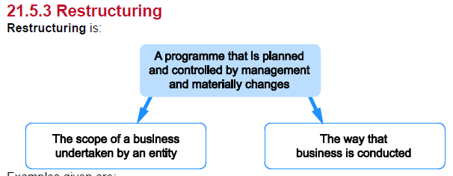

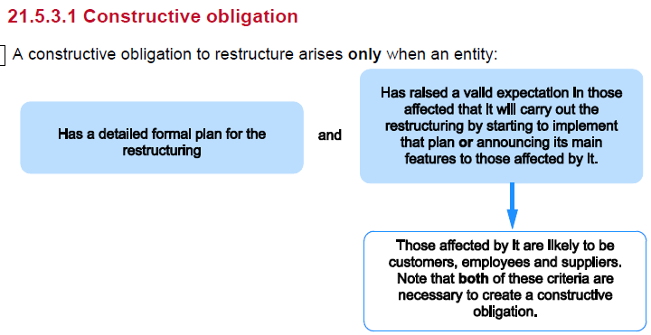

 | Constructive obligation
 | creating a valid expectation
 | announced it and told people about it
 | formal plan and announced it
 | told people about it
 | should only include the direct expesnses

 | trainging cost for new staff is specifically exlcuded from a restructuring provision

 | Non-adjusting event if announced post balance sheet date

 | Far East
 | Although a formal plan exists and was approved prior to the year end, there was no announcement by the year end, so a constructive obligation does not exist.
 | No provision, therefore, should be made.
 | The board could still reverse its decision. However, if the announcement was made before the accounts were authorised for issue, a disclosure note would be required if the closure is of such materiality that it could influence the economic decisions of users.

 | Removal of managers
 | There is an approved plan, communication to affected parties and start of implementation. A constructive obligation exists and a provision should be made as it is probable that there will be an outflow of resources.
 | The provision should be measured based on the best estimate of the severance payments.

 | Contingent Liabilities

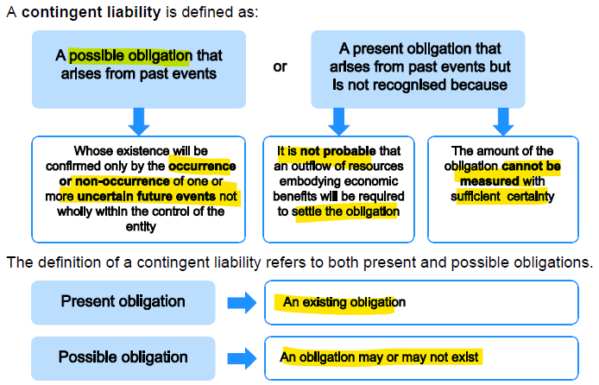

 | contingent asset
 | not recognised in the financial statements
 | disclosed if an inflow of economic benefit is probable

 | You should not give a misleading indication of the likelihood of income arising

